OutputCtrl-Returns&Corrrections
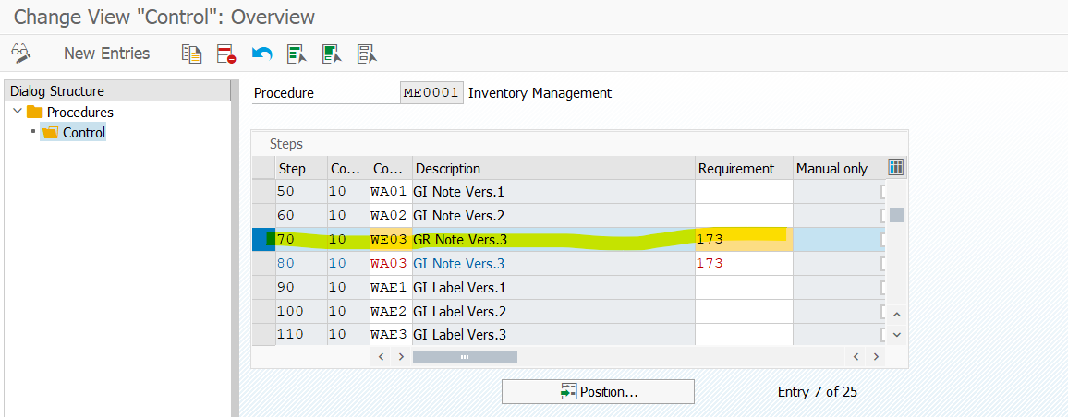
Prerequisite

Ensure that the output type WE03 is available.

Procedure
1. Run the transaction code SPRO.
The Customizing: Execute Project screen appears.
2. Click SAP Reference IMG.
The Display IMG screen appears.
3. Navigate to Integration with Other SAP Components Managed Gateway for Spend&Network for Buyer SAP Business Network Integration Application Specific Settings Receipt Request.
4. Click IMG-Activity for Define Message Output Control for Returns and Corrections.
The Conditions for Output Control screen appears.
5. Click ME as the application type and click Output Types.
The Display View "Output Types": Overview screen appears.
6. Switch to Change and double-click the output type: WE03.
The Change View "Output Types": Details screen appears.
7. On the General Data tab, for Access sequence choose 0003 Trans.Type/Print Vers./Indic..
8. Click the tab Default Values and retain the following values in the tab:
Despatch time: 4 Send immediately (when saving the application)
Transmission Medium: 8 Special function
Partner function: LS
9. Save the entries and go back to the main screen.
10. From the main screen, choose ME Inventory Management and click Output Types.
The Display View "Output Types": Overview screen appears.
11. Choose WE03 and double-click Processing routines and enter the following values:
Program: ARBCIG_RECEIPT_PUBLISH
FORM routine: SEND_GOODSRECIPT_SAVED
12. Press Enter.
13. Save the entry.
14. Click ME as the application type and then click Condition records.
15. Double-click the output type: WE03.
The Change GR Note Vers.3 (WE03): Selection screen appears.
16. Enter the following information:
Trans./Event Type: WE
Print Version: 3
Print Item: 1
17. Click Execute.
The Change Condition Records (GR Note Vers.3): Fast Change screen appears.
18. Maintain the following parameters for the partner function:
Print item: Indicates whether a material document item can be printed with a certain movement type. The indicator also determines the type of GR or GI slip that is printed. For example, 3.
Function: The abbreviated form of the name that identifies the partner function. For example, LS.
Partner: The recipient of the output from the master record for the specified partner function. For example, 1000.
Medium: Specifies how the output will be produced. For example, 8 Special function or 1 Print output.
Date/Time: Specify the option to indicate the time when the message can be processed. For example, 4. To process the message later, you must use the report program RSNAST00 or a corresponding application function.
Language: Specify the language to display texts, enter texts, and print documents. For example, DE.
19. Select ME and click Procedures.
20. Select ME0001 and double-click Control.
21. Click New Entries and enter the following:
Step: For example, 10
Counter: For example, 10
CTyp: WE03
Requirement:
a. 171 for individual slips or
b. 173 for collective slips
22. Click Save.
23. Provide the Transport Request number if the application prompts for it.

OUTPUT TYPE
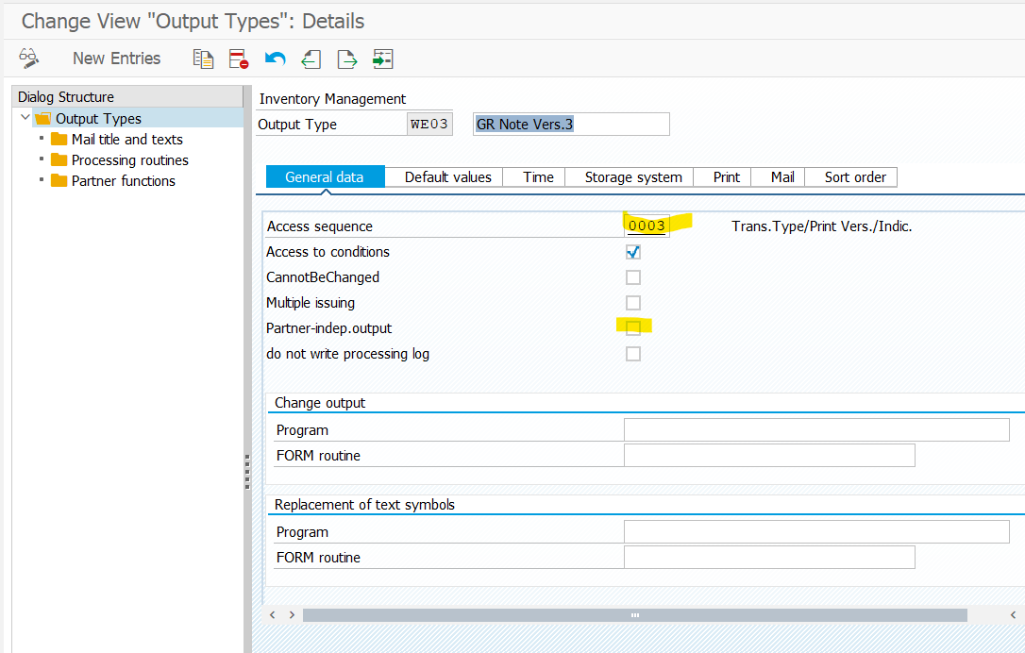
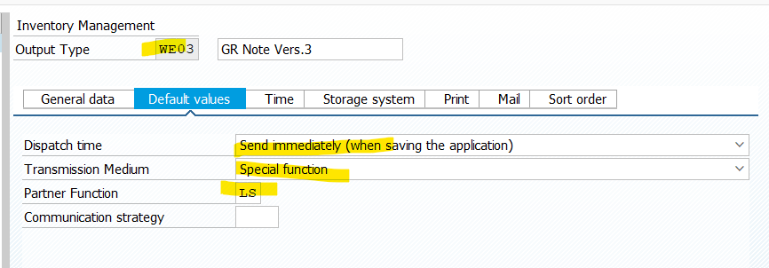

 | Click on New Entries and add below

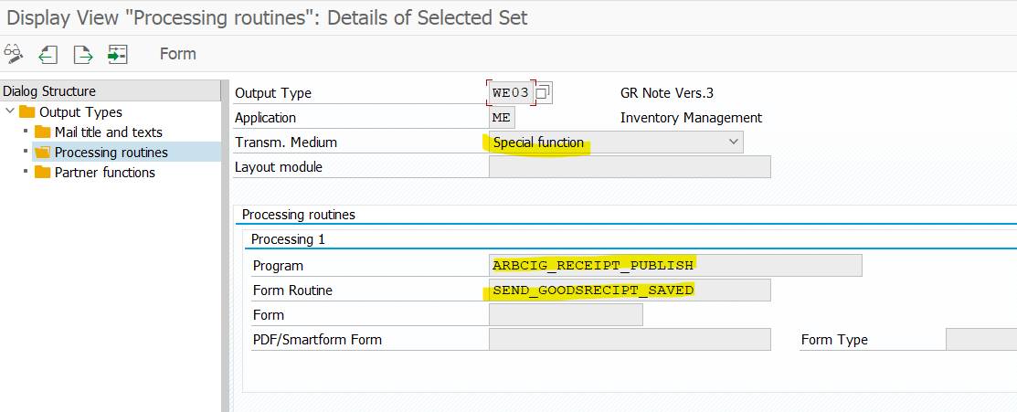

CONDITION RECORDS - IF doesn’t exisits create



Already exists

